Table 17
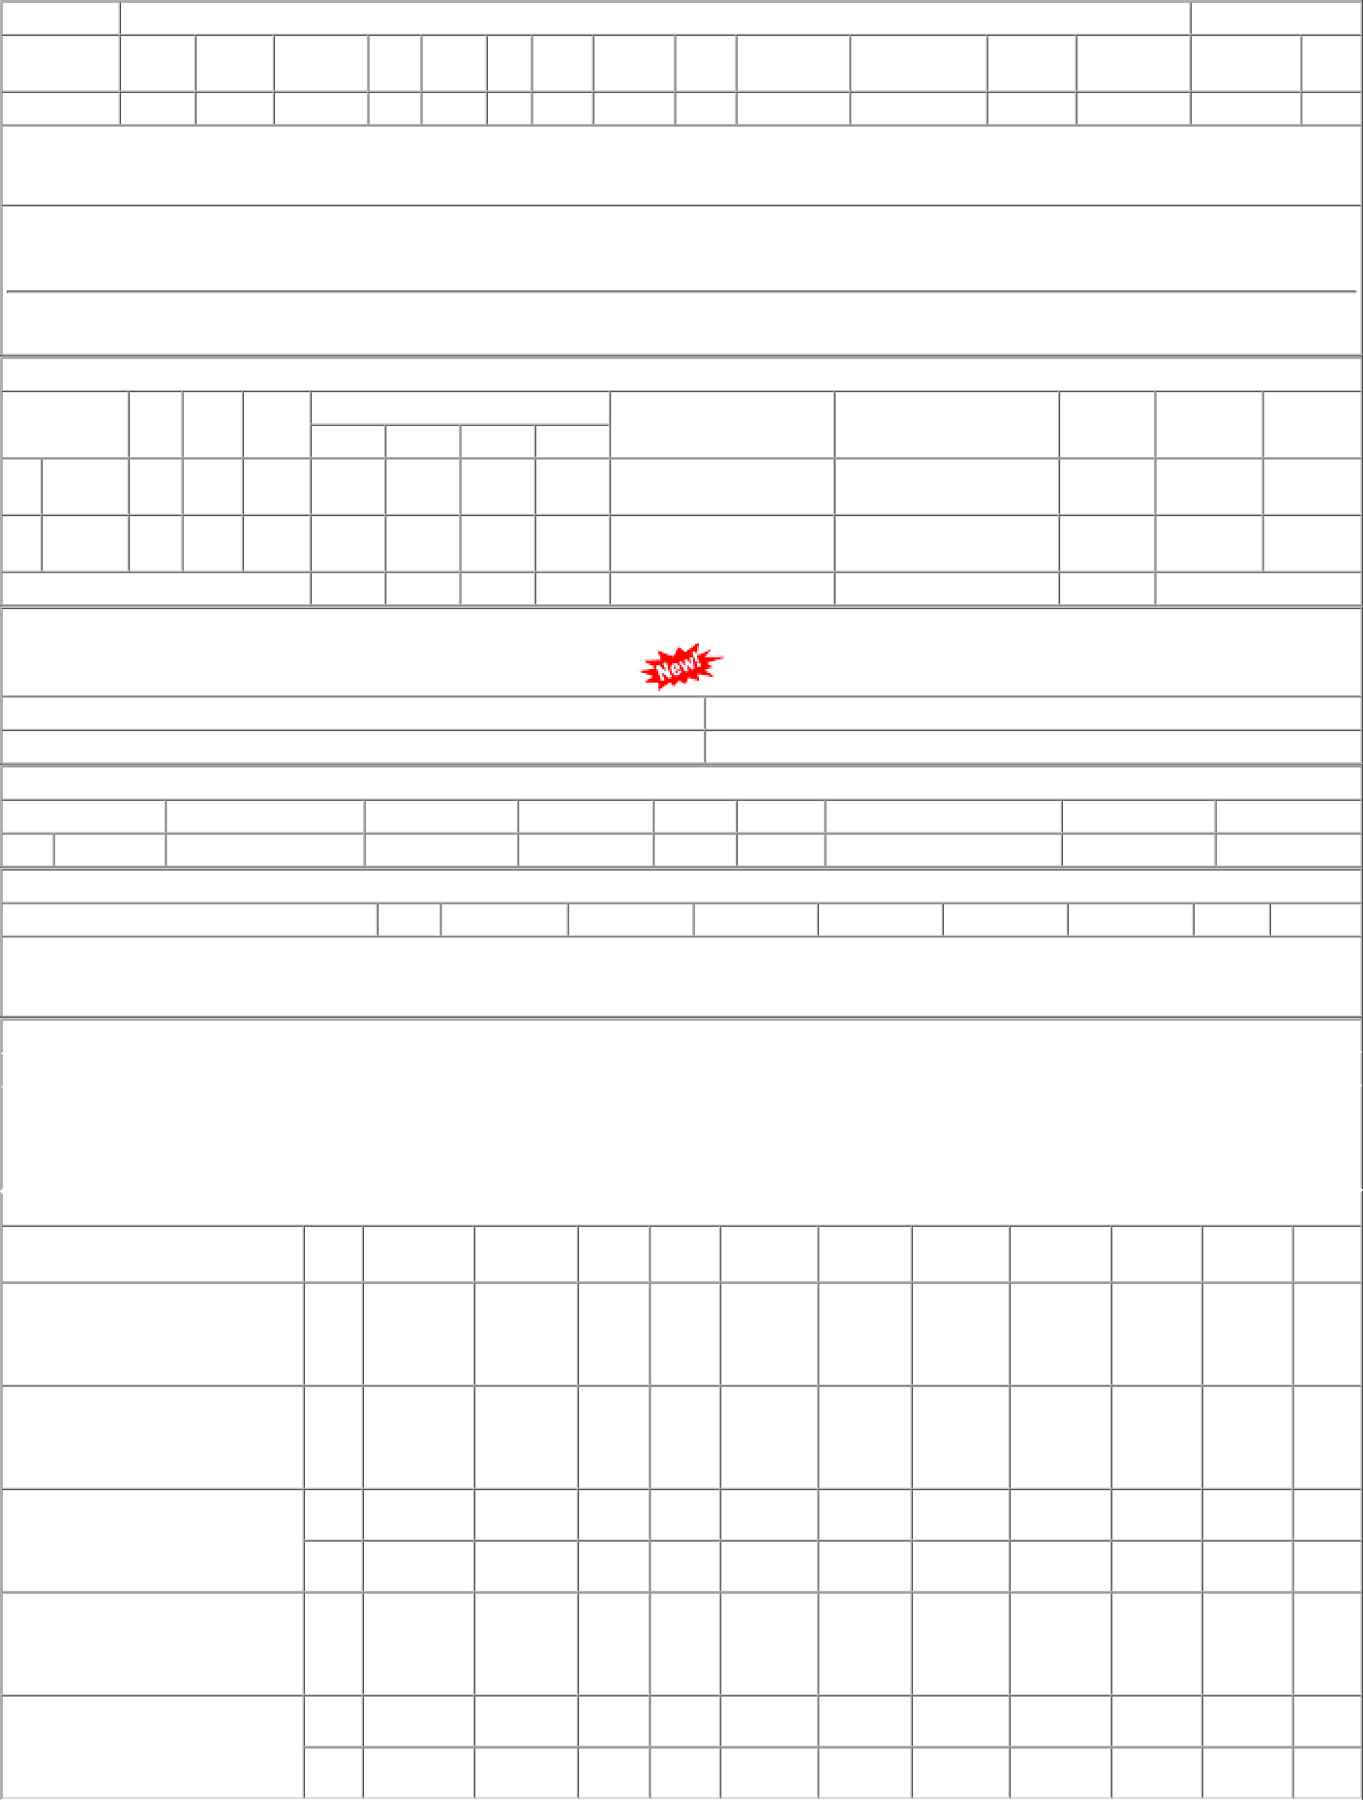
P.O.No.78221249100456 dt.01/10/22 on M/s.RELIABLE POINT-RAJKOT PO-CAT:[ Reg ] P.O.No.04223331103646 dt.13/07/22 on M/s.D.S. INDUSTRIES-JODHPUR PO- CAT:[ Reg ] P.O.No.04213331105780 dt.18/11/21 on M/s.P J INDUSTRIES-MUMBAI PO- CAT:[ Reg ] P.O.No.52215446100834 dt.10/08/21 on M/s.PACKING HOUSE-MUMBAI PO-CAT:[ Reg ] P.O.No.04203331100641 dt.15/02/21 on M/s.P J INDUSTRIES-MUMBAI PO- CAT:[ Reg ] | 001 001 001 002 001 001 002 | BVPW BVPW PL-CR BVPW SSE/CR- store/PL PL-CR BVPW | 65.49 202.96 254.88 254.88 187.62 154.22 154.22 | 500 1250 898 354 102 380 755 | Nos. 0 Nos. 0 Nos. 0 Nos. 0 Nos. 0 Nos. 0 Nos. 0 | 0 0 0 1250 0 898 0 354 0 0 0 380 0 755 | 31/10/22 12/09/22 30/04/22 30/04/22 24/09/21 31/05/21 31/05/21 | 05/12/22 OP 14/07/22 12/10/22 OP 01/04/22 30/04/22 OP 01/04/22 30/04/22 OP 24/09/21 OP 01/04/21 31/07/21 OP 01/04/21 25/07/21 OP

